OPENING
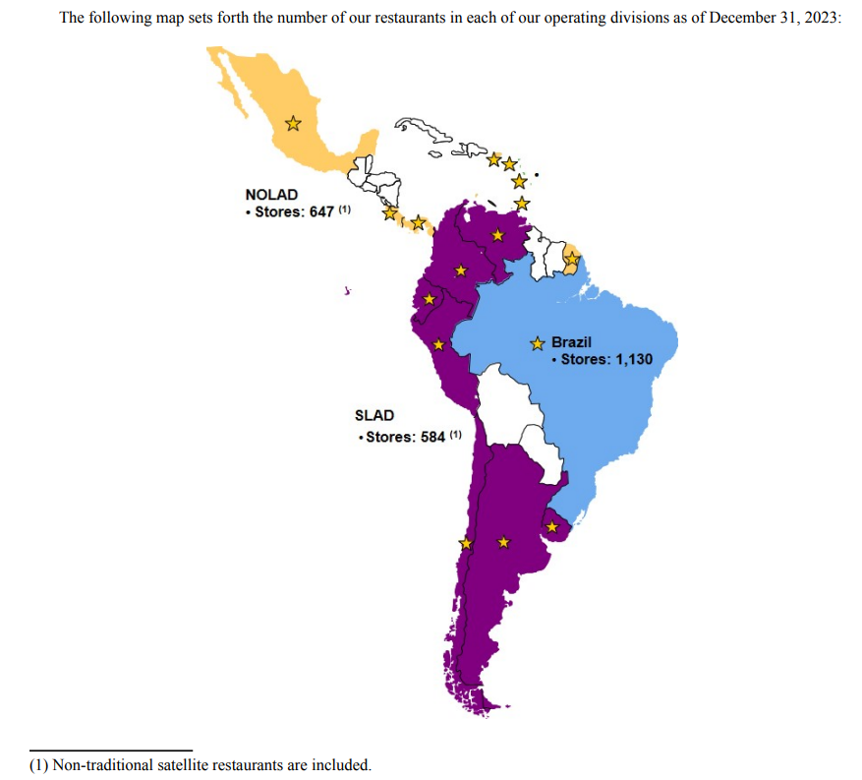
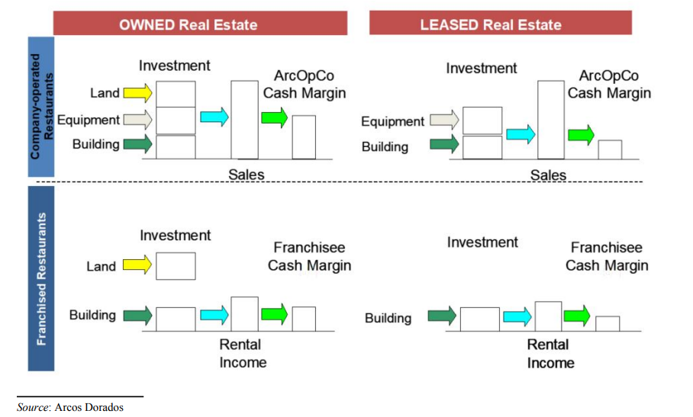



OPENING

start - 12/06/24
end - 15/06/24
format of date - dd/mm/yy

Arcos Dorados is the world’s largest independent McDonald’s franchisee, operating the largest quick service restaurant chain in Latin America and the Caribbean.
It has the exclusive right to own, operate and grant franchises of McDonald’s restaurants in 20 Latin American and Caribbean countries and territories with more than 2,350 restaurants,
operated by the Company or by its sub-franchisees, that together employ over 100 thousand people (as of 03/31/2024).

strategy
resterunt - running great, modern resterunts, maintainning high level
food - expanding the core brand, more food by calture, affordability

length of model
arcos is operating at emerging markets, which means there is massive growth that is yet to be achived, from that reason I will use a 10 years model

4.3% sales
6% resterunts
McDonald's

other franchisee's
Arcos Dorados

29%
71%

franchised
resterunts
operated
resterunts

EQUITY
EQUITY

model - CAPEM
formula - cost of equity = risk free rate + (beta * equity risk premium)

risk free rate
I will use the 30years t bond as the risk free rate, because there is an onging war in the middle east,
which does inherit some risk to the us, thus the 10year t bond isnt risk free.

 | risk free rate |  | the risk free rate is tied to the interest rate, I believe in the next year
current | 4.480% |  | interest rates will stay still, but after that we would see some
1 | 5.000% |  | cooling in the interest rate.
2 | 4.500%
3 | 4.000%
4 | 3.500%
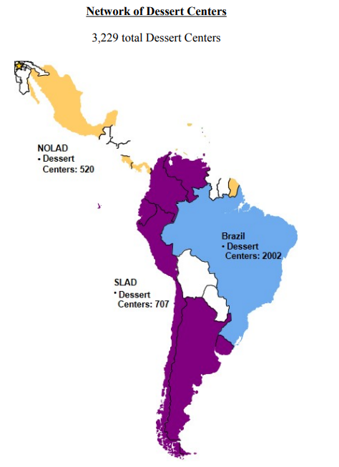
5 | 3.000%
6 | 3.000%
7 | 3.000%
8 | 3.000%
9 | 3.000%
10 | 3.000%
terminal | 3.000%

equity risk premium
although ARCO is traded at the NYSE, her operation and sales are not from the us;

country | amount | portion
brazil | 1,701.547 | 39.28%
NOLAD | 1,132.912 | 26.15%
SLAD | 1,497.419 | 34.57%
other | - | -
total | 4,331.878 | 100.00%

NOLAD |  |  |  | SLAD

mexico | 34.80% |  |  | argentina | 45.60% |  | country | amount | portion
costa rica | 9.31% |  |  | chile | 9.07% |  | brazil | 1,701.547 | 39.28%
panama | 9.31% |  |  | ecuador | 9.07% |  | NOLAD | 1,132.912 | 26.15%
puerto rico | 9.31% |  |  | peru | 9.07% |  | SLAD | 1,497.419 | 34.57%
martinique | 9.31% |  |  | uruguay | 9.07% |  | other | - | -
guadelupe | 9.31% |  |  | colombia | 9.07% |  | total | 4,331.878 | 100.00%
french guiana | 9.31% |  |  | venezuela | 9.07%
us | 9.31% |  |  | total | 100.00%

country | amount |  |  | country | amount | portion
brazil | 1,701.547 |  |  | brazil | 1,701.547 | 39.28% | 4,331.878
NOLAD | 1,132.912 |  | 113291.20% | mexico | $394.25 | 9.10% | 4,331.878
mexico | $394.25 | 34.80% | 113291.20% | costa rica | $105.52 | 2.44% | 4,331.878
costa rica | $105.52 | 9.31% | 113291.20% | panama | $105.52 | 2.44% | 4,331.878
panama | $105.52 | 9.31% | 113291.20% | puerto rico | $105.52 | 2.44% | 4,331.878
puerto rico | $105.52 | 9.31% | 113291.20% | martinique | $105.52 | 2.44% | 4,331.878
martinique | $105.52 | 9.31% | 113291.20% | guadelupe | $105.52 | 2.44% | 4,331.878
guadelupe | $105.52 | 9.31% | 113291.20% | french guiana | $105.52 | 2.44% | 4,331.878
french guiana | $105.52 | 9.31% | 113291.20% | us | $105.52 | 2.44% | 4,331.878
us | $105.52 | 9.31% | 113291.20% | argentina | $682.82 | 15.76% | 4,331.878
SLAD | 1,497.419 |  |  | chile | $135.77 | 3.13% | 4,331.878
argentina | 682.82 | 45.60% | 149741.90% | ecuador | $135.77 | 3.13% | 4,331.878
chile | 135.77 | 9.07% | 149741.90% | peru | $135.77 | 3.13% | 4,331.878
ecuador | 135.77 | 9.07% | 149741.90% | uruguay | $135.77 | 3.13% | 4,331.878
peru | 135.77 | 9.07% | 149741.90% | colombia | $135.77 | 3.13% | 4,331.878
uruguay | 135.77 | 9.07% | 149741.90% | venezuela | $135.77 | 3.13% | 4,331.878
colombia | 135.77 | 9.07% | 149741.90% | TOTAL | $4,331.88 | 100.00% | 4,331.878
venezuela | 135.77 | 9.07% | 149741.90%
TOTAL | 4,331.878

now that we have the estimated portion of revenue from each country the firm is operating in, we know want to find the default risk for each country, to do that
we can use the Credit Default Swap market to see what the market estimate for a default risk.

formula - country Equity Risk Premium = us ERP + country default risk

country | amount | portion | adj default spread | us ERP | country ERP | weighted avg
brazil | 1,701.547 | 39.28% | 3.28% | 4.15% | 7.43% | 2.92%
mexico | $394.25 | 9.10% | 2.07% | 4.15% | 6.22% | 0.57%
costa rica | $105.52 | 2.44% | 4.90% | 4.15% | 9.05% | 0.22%
panama | $105.52 | 2.44% | 2.07% | 4.15% | 6.22% | 0.15%
puerto rico | $105.52 | 2.44% | 10% | 4.15% | 14.15% | 0.34%
martinique | $105.52 | 2.44% | 10% | 4.15% | 14.15% | 0.34%
guadelupe | $105.52 | 2.44% | 10% | 4.15% | 14.15% | 0.34%
french guiana | $105.52 | 2.44% | 4.29% | 4.15% | 8.44% | 0.21%
us | $105.52 | 2.44% | 0% | 4.15% | 4.15% | 0.10%
argentina | $682.82 | 15.76% | 13.07% | 4.15% | 17.22% | 2.71%
chile | $135.77 | 3.13% | 0.92% | 4.15% | 5.07% | 0.16%
ecuador | $135.77 | 3.13% | 10.90% | 4.15% | 15.05% | 0.47%
peru | $135.77 | 3.13% | 1.47% | 4.15% | 5.62% | 0.18%
uruguay | $135.77 | 3.13% | 2.07% | 4.15% | 6.22% | 0.19%
colombia | $135.77 | 3.13% | 2.07% | 4.15% | 6.22% | 0.19%
venezuela | $135.77 | 3.13% | 17.50% | 4.15% | 21.65% | 0.68%
TOTAL | $4,331.88 | 100.00% |  |  | weighted avg: | 9.79%

year | ARCO ERP
current | 9.79% |  | arco is experiencing double digit growth rates, thus, she is in her
1 | 9.80% |  | youth phase, so, I believe we can conclude that as the time go, and arco
2 | 9.60% |  | setteles more down, it become more mature and less riskiy.
3 | 9.50% |  | thus, the premium that is attached to her should lower down.
4 | 9.40%
5 | 9.30%
6 | 9.20%
7 | 9.10%
8 | 9.00%
9 | 8.90%
10 | 8.80%
terminal | 8%

beta

the average industry beta is about 1.2, and the
average levered beta is about 1.
as we discussed and showed in the equity risk
premium, arco is a risky company working in risky
places, thus, I don’t feel comfortable attaching to it a
beta like 1,

year | beta
current | 1.25
1 | 1.2
2 | 1.2
3 | 1.2
4 | 1.2 |  | I think arco deserve the beta she has now, considering it's risk.
5 | 1.2
6 | 1.2
7 | 1.2
8 | 1.2
9 | 1.2
10 | 1.2
terminal | 1.1

cost of equity
model - CAPEM
formula - cost of equity = risk free rate + (beta * equity risk premium)

cost of equity
year | risk free rate | year | ARCO ERP | year | beta | cost of equity
current | 4.480% | current | 9.79% | current | 1.25 | 16.71%
1 | 5.000% | 1 | 9.80% | 1 | 1.2 | 16.76%
2 | 4.500% | 2 | 9.60% | 2 | 1.2 | 16.02%
3 | 4.000% | 3 | 9.50% | 3 | 1.2 | 15.40%
4 | 3.500% | 4 | 9.40% | 4 | 1.2 | 14.78%
5 | 3.000% | 5 | 9.30% | 5 | 1.2 | 14.16%
6 | 3.000% | 6 | 9.20% | 6 | 1.2 | 14.04%
7 | 3.000% | 7 | 9.10% | 7 | 1.2 | 13.92%
8 | 3.000% | 8 | 9.00% | 8 | 1.2 | 13.80%
9 | 3.000% | 9 | 8.90% | 9 | 1.2 | 13.68%
10 | 3.000% | 10 | 8.80% | 10 | 1.2 | 13.56%
terminal | 3.000% | terminal | 8% | terminal | 1.1 | 12% | 11.80%

market value of equity

current price = |  | $9.20
shares outstanding |  | 130.66 | million

market value of equity = |  | $1,202.07 | million

DEBT
DEBT

cost of debt = rf + x*country default risk + company default risk
x = 0; the usa has a default risk of 0%

cost of debt = rf+company default risk

country | amount | portion | adj default spread | weighted avg
brazil | 1,701.547 | 39.28% | 3.28% | 1.3%
mexico | $394.25 | 9.10% | 2.07% | 0.2%
costa rica | $105.52 | 2.44% | 4.90% | 0.1%
panama | $105.52 | 2.44% | 2.07% | 0.1%
puerto rico | $105.52 | 2.44% | 10% | 0.2%
martinique | $105.52 | 2.44% | 10% | 0.2%
guadelupe | $105.52 | 2.44% | 10% | 0.2%
french guiana | $105.52 | 2.44% | 4.29% | 0.1%
us | $105.52 | 2.44% | 0% | 0.0%
argentina | $682.82 | 15.76% | 13.07% | 2.1%
chile | $135.77 | 3.13% | 0.92% | 0.0%
ecuador | $135.77 | 3.13% | 10.90% | 0.3%
peru | $135.77 | 3.13% | 1.47% | 0.0%
uruguay | $135.77 | 3.13% | 2.07% | 0.1%
colombia | $135.77 | 3.13% | 2.07% | 0.1%
venezuela | $135.77 | 3.13% | 17.50% | 0.5%

weighted avg adj default risk = |  |  | 5.64%

year | company default risk
current | 5.64%
1 | 5.64% |  | country risk isnt much volatile so changing it within 10 years is pretty pointless, but we can
2 | 5.64% |  | assest that in the terminal, it would be less risky
3 | 5.64%
4 | 5.64%
5 | 5.64%
6 | 5.64%
7 | 5.64%
8 | 5.64%
9 | 5.64%
10 | 5.64%
terminal | 5%

year | risk free rate | company default risk | cost of debt
current | 4.480% | 5.64% | 10.117%
1 | 5.000% | 5.64% | 10.637%
2 | 4.500% | 5.64% | 10.137%
3 | 4.000% | 5.64% | 9.637%
4 | 3.500% | 5.64% | 9.137%
5 | 3.000% | 5.64% | 8.637%
6 | 3.000% | 5.64% | 8.637%
7 | 3.000% | 5.64% | 8.637%
8 | 3.000% | 5.64% | 8.637%
9 | 3.000% | 5.64% | 8.637%
10 | 3.000% | 5.64% | 8.637%
terminal | 3.000% | 5% | 8.000%

market value of debt
to caluclate the cost of capital (wacc) we need to know how much equity and debt we have, we want to use the market value of equity and debt, to know what the market asses as the value, and not the
book value.

to convert the debt to it's present value, we would treat it like a bond, where the cupon rate is the interest expense, and the discount rate is the cost of debt.
to get the amount of years until maturity, we will estimate how many years are there until all debt is to be paid.

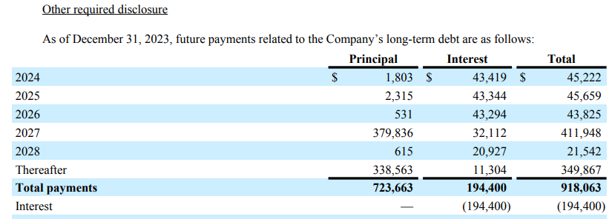
2024 | $45,222.00 | 4.93% | $918,063.00 | $45,222.00
2025 | $45,659.00 | 4.97% | $918,063.00 | $45,659.00
2026 | $43,825.00 | 4.77% | $918,063.00 | $43,825.00
2027 | $411,948.00 | 44.87% | $918,063.00 | $21,542.00
2028 | $21,542.00 | 2.35% | $918,063.00
thereafter | $349,867.00 | 38.11% | $918,063.00
total | $918,063.00 | 100.00%

to get the number of thereafter, we will compute an average payment for a year and divide it by thereafter
in 2027 there is a one time principal payment so we wont conclude it in the average

avg year payment = |  | $39,062.00
thereafter / avg year payment = |  | 8.9567098459 | about 9 years

total of years = 5+9 = 14

year | interest payment | cost of debt | present value of debt
1 | $38.58 | 10.637% | $34.87
2 | $38.58 | 10.137% | $31.81
3 | $38.58 | 9.637% | $29.28
4 | $38.58 | 9.137% | $27.20
5 | $38.58 | 8.637% | $25.50
6 | $38.58 | 8.637% | $23.47
7 | $38.58 | 8.637% | $21.60
8 | $38.58 | 8.637% | $19.89
9 | $38.58 | 8.637% | $18.31
10 | $38.58 | 8.637% | $16.85
11 | $38.58 | 8.000% | $16.55
12 | $38.58 | 8.000% | $15.32
13 | $38.58 | 8.000% | $14.19
14 | $38.58 | 8.000% | $13.14
 |  | total: | $307.96
 |  | total debt ttm: | $1,690.99
 |  | total | $1,998.95

WACC
 | WACC

 | tax rate |  |  |  |  |  |  |  |  | 0
 |  | income taxes | income before tax | tax rate | chg |  |  |  |  | 0
 | 2011 | $45 | $160 | 28.13% |  |  |  |  |  | 0
 | 2012 | $46 | $161 | 28.57% | 1.59% |  |  |  |  | 0
 | 2013 | $43 | $97 | 44.33% | 55.15% |  |  |  |  | 0
 | 2014 | $32 | $-77 | 0.00% | -100.00% |  |  |  |  | 0
 | 2015 | $23 | $-29 | 0.00% | #DIV/0! |  |  |  |  | 0
 | 2016 | $60 | $139 | 43.17% | #DIV/0! |  |  |  |  | 0
 | 2017 | $53 | $183 | 28.96% | -32.91% |  |  |  |  | 0
 | 2018 | $48 | $85 | 56.47% | 94.98% |  |  |  |  | 0
 | 2019 | $39 | $119 | 32.77% | -41.96% |  |  |  |  | 0
 | 2020 | $18 | $-132 | 0.00% | -100.00% |  |  |  |  | 0
 | 2021 | $32 | $78 | 41.03% | #DIV/0! |  |  |  |  | 0
 | 2022 | $85 | $226 | 37.61% | -8.32%
 | 2023 | $96 | $278 | 34.53% | -8.18%
1 | 2024 |  |  | 31.77% | -8.00%
2 | 2025 |  |  | 29.23% | -8.00%
3 | 2026 |  |  | 26.89% | -8.00%
4 | 2027 |  |  | 24.74% | -8.00%
5 | 2028 |  |  | 24.00% | -2.99%
6 | 2029 |  |  | 24.00% | 0.00%
7 | 2030 |  |  | 24.00% | 0.00%
8 | 2031 |  |  | 24.00% | 0.00%
9 | 2032 |  |  | 24.00% | 0.00%
10 | 2033 |  |  | 24.00% | 0.00%
 | terminal |  |  | 24.00% | 0.00%

 | wacc

 | cost of equity | market value of equity | cost of debt | tax rate | after tax cost of debt | market value of debt | total market value | wacc
1 | 16.76% | $1,202.07 | 10.64% | 31.77% | 7.26% | $1,998.95 | $3,201.02 | 10.826%
2 | 16.02% | $1,202.07 | 10.14% | 29.23% | 7.17% | $1,998.95 | $3,201.02 | 10.496%
3 | 15.40% | $1,202.07 | 9.64% | 26.89% | 7.05% | $1,998.95 | $3,201.02 | 10.183%
4 | 14.78% | $1,202.07 | 9.14% | 24.74% | 6.88% | $1,998.95 | $3,201.02 | 9.844%
5 | 14.16% | $1,202.07 | 8.64% | 24.00% | 6.56% | $1,998.95 | $3,201.02 | 9.416%
6 | 14.04% | $1,202.07 | 8.64% | 24.00% | 6.56% | $1,998.95 | $3,201.02 | 9.371%
7 | 13.92% | $1,202.07 | 8.64% | 24.00% | 6.56% | $1,998.95 | $3,201.02 | 9.326%
8 | 13.80% | $1,202.07 | 8.64% | 24.00% | 6.56% | $1,998.95 | $3,201.02 | 9.281%
9 | 13.68% | $1,202.07 | 8.64% | 24.00% | 6.56% | $1,998.95 | $3,201.02 | 9.236%
10 | 13.56% | $1,202.07 | 8.64% | 24.00% | 6.56% | $1,998.95 | $3,201.02 | 9.191%
terminal | 12.00% | $1,202.07 | 8.00% | 24.00% | 6.08% | $1,998.95 | $3,201.02 | 9% | 8.303%

Story&Esstimations
story

as we discussed, arcos is the biggest mcdonald's franchisee in the world, it operates at riskier countries and emerging markets, which (can) cause youth growth.
because of that, its to be expe

story
as we discussed, Arcos Dorados is the world’s largest independent McDonald’s franchisee in the world, generally speaking, it operates at riskier countries and in emerging markets,
so natuarlly the firm is more riskier and the discount rate is higher.

I like to see arcos as an extended hand of mcdonalds into riskier countries, because at the bottom line, arcos and mcdonald's are the same firm, just operating in different areas in the world, for that reason
I believe that first, when arcos will turn mature, she deserves margins that are just slighlty less then mcdonald's, it’s the same brand, same product and same delivery, but mcdonald's management is more succesful at bringing efficieny, thus the
slight decrese in margins.

generally speaking, I believe that there are 2 main scenrios, the first one, which is pluasible, is that arcos is already a mature company, and she will grows just about the same rate as mcdonalds grows, thus experienching stable growth and higher margins,
this story plausible but not probable, since arcos is experiencing rapid growth rates and low margins, which are characteristics of a young growth compay, and not an adult one.

the second story, which in my opinion is not only plausible but probable, is that arcos is currently at it's youth, and within time will move torwards the characteristics of mcdonald's.

estimates
revenues
arcos revenues |  | chg% | mcdonalds revenue |  | chg% |  |  |  |  |  |  | year | arcos | mcd | 12.54%
2010 | $3,018 |  | 2010 | $24,075 |  |  |  |  |  |  |  | 2011 | 21.21% | 12.17% | 13.55%
2011 | $3,658 | 21.21% | 2011 | $27,006 | 12.17% |  |  |  |  |  |  | 2012 | 3.80% | 2.08% | 13.77%
2012 | $3,797 | 3.80% | 2012 | $27,567 | 2.08% |  |  |  |  |  |  | 2013 | 6.22% | 1.96% | 14.35%
2013 | $4,033 | 6.22% | 2013 | $28,106 | 1.96% |  |  |  |  |  |  | 2014 | -9.47% | -2.37% | 13.30%
2014 | $3,651 | -9.47% | 2014 | $27,441 | -2.37% |  |  |  |  |  |  | 2015 | -16.38% | -7.39% | 12.01%
2015 | $3,053 | -16.38% | 2015 | $25,413 | -7.39% |  |  |  |  |  |  | 2016 | -4.06% | -3.11% | 11.90%
2016 | $2,929 | -4.06% | 2016 | $24,622 | -3.11% |  |  |  |  |  |  | 2017 | 13.35% | -7.32% | 14.55%
2017 | $3,320 | 13.35% | 2017 | $22,820 | -7.32% |  |  |  |  |  |  | 2018 | -7.17% | -6.84% | 14.50%
2018 | $3,082 | -7.17% | 2018 | $21,258 | -6.84% |  |  |  |  |  |  | 2019 | -3.99% | 0.50% | 13.85%
2019 | $2,959 | -3.99% | 2019 | $21,364 | 0.50% |  |  |  |  |  |  | 2020 | -32.95% | -10.09% | 10.33%
2020 | $1,984 | -32.95% | 2020 | $19,208 | -10.09% |  |  |  |  |  |  | 2021 | 34.07% | 20.90% | 11.45%
2021 | $2,660 | 34.07% | 2021 | $23,223 | 20.90% |  |  |  |  |  |  | 2022 | 36.05% | -0.17% | 15.61%
2022 | $3,619 | 36.05% | 2022 | $23,183 | -0.17% |  |  |  |  |  |  | 2023 | 19.70% | 9.97% | 16.99%
2023 | $4,332 | 19.70% | 2023 | $25,494 | 9.97%

we don’t have much data to average at all, between 2014 to 2019 mcd
and arcos sold their units, and at 2020 the corona happened,
but if we average the last 3 years growth we get;
29.94%

if we talk about scenerio 1, mcdonald's said the don’t expect 2024
to be a good year, but a year of moderation, talking about arco we will expect
in a bad year to deliver about 10%
and then because it’s a mature firms we expect it to deliver average industry growth rate at about 8%,
then falling again to about the same growth rate mcdonald's would have, which is about 5% (which is also the median sector growth rate)

story 1
year | 1 | 2 | 3 | 4 | 5 | 6 | 7 | 8 | 9 | 10 | terminal
growth rate | 10% | 10% | 8% | 8% | 8% | 7% | 6% | 5% | 5% | 5% | 5%

if we talk about story 2, arco is still a young firm, experiencing high growth, and slowly but surley moving torwards industry average

year | 1 | 2 | 3 | 4 | 5 | 6 | 7 | 8 | 9 | 10 | terminal
growth rate | 20% | 19% | 18% | 17% | 16% | 15% | 14% | 13% | 12% | 11% | 8%

operataing margins
operating margins
revenues |  | operating income | operating margins
2010 | $3,018 |  |  | chg
2011 | $3,658 | $251 | 6.86%
2012 | $3,797 | $237 | 6.24% | -0.62%
2013 | $4,033 | $229 | 5.68% | -0.56%
2014 | $3,651 | $71 | 1.94% | -3.73%
2015 | $3,053 | $93 | 3.05% | 1.10%
2016 | $2,929 | $179 | 6.11% | 3.07%
2017 | $3,320 | $273 | 8.22% | 2.11%
2018 | $3,082 | $123 | 3.99% | -4.23%
2019 | $2,959 | $160 | 5.41% | 1.42%
2020 | $1,984 | $-67 | -3.38% | -8.78%
2021 | $2,660 | $140 | 5.26% | 8.64%
2022 | $3,619 | $264 | 7.29% | 2.03%
2023 | $4,332 | $314 | 7.25% | -0.05%

at story number 1, arcos is a mature company, already settled in, reinvest less and has stable margins, I believe that as she get's more mature she will have the margins like mcdonalds, because it’s the same company,
mcdonald's reported that their margins overall traget is at about 45%, so I think arcos deserve margins at about 40%

story 1
year | 1 | 2 | 3 | 4 | 5 | 6 | 7 | 8 | 9 | 10 | terminal
operating margins | 7.3% | 9.8% | 13.8% | 17.8% | 21.8% | 25.8% | 29.8% | 33.8% | 37.8% | 39.0% | 40.0%

at story number 2, arcos is still at it's youth, having high growth and reinvesting a lot, thus maintainning low margins, but at the terminal value will have higher margins like mcd's
as the years go she moves torwards the average industry margins
story 2
year | 1 | 2 | 3 | 4 | 5 | 6 | 7 | 8 | 9 | 10 | terminal
operating margins | 7.3% | 7.4% | 7.5% | 7.6% | 7.7% | 7.8% | 7.9% | 8.0% | 8.1% | 8.2% | 8.2%

reinvestment
 | arcos revenues |  | bv of equity |  | bv of debt |  | cash |  | invested capital |  | sales to capial ratio
2010 | $3,018 | 2010 | - | 2010 | - | 2010 | - | 2010 | - | 2010 | -
2011 | $3,658 | 2011 | $680 | 2011 | $606 | 2011 | $176 | 2011 | $1,110 | 2011 | 3.2954954955
2012 | $3,797 | 2012 | $746 | 2012 | $725 | 2012 | $185 | 2012 | $1,286 | 2012 | 2.9525660964
2013 | $4,033 | 2013 | $695 | 2013 | $826 | 2013 | $176 | 2013 | $1,345 | 2013 | 2.9985130112
2014 | $3,651 | 2014 | $458 | 2014 | $795 | 2014 | $139 | 2014 | $1,114 | 2014 | 3.2773788151
2015 | $3,053 | 2015 | $287 | 2015 | $539 | 2015 | $113 | 2015 | $713 | 2015 | 4.2819074334
2016 | $2,929 | 2016 | $352 | 2016 | $605 | 2016 | $195 | 2016 | $762 | 2016 | 3.843832021
2017 | $3,320 | 2017 | $496 | 2017 | $702 | 2017 | $328 | 2017 | $870 | 2017 | 3.816091954
2018 | $3,082 | 2018 | $393 | 2018 | $692 | 2018 | $197 | 2018 | $888 | 2018 | 3.4707207207
2019 | $2,959 | 2019 | $422 | 2019 | $1,541 | 2019 | $122 | 2019 | $1,841 | 2019 | 1.6072786529
2020 | $1,984 | 2020 | $198 | 2020 | $1,592 | 2020 | $167 | 2020 | $1,623 | 2020 | 1.2224276032
2021 | $2,660 | 2021 | $221 | 2021 | $1,522 | 2021 | $279 | 2021 | $1,464 | 2021 | 1.8169398907
2022 | $3,619 | 2022 | $324 | 2022 | $1,553 | 2022 | $363 | 2022 | $1,514 | 2022 | 2.3903566711
2023 | $4,332 | 2023 | $517 | 2023 | $1,661 | 2023 | $247 | 2023 | $1,931 | 2023 | 2.2433972035

story1
year | 1 | 2 | 3 | 4 | 5 | 6 | 7 | 8 | 9 | 10 | terminal
operating margins | 2 | 1.9 | 1.8 | 1.7 | 1.6 | 1.5 | 1.4 | 1.3 | 1.2 | 1.1 | 1

story 2
year | 1 | 2 | 3 | 4 | 5 | 6 | 7 | 8 | 9 | 10 | terminal
operating margins | 2 | 2 | 2 | 2 | 2 | 2 | 2 | 2 | 2 | 2 | 1.5

Final Thoughts
 | final thoughts

 | arcos is the biggest mcdonald's franchisee in the world, it operates in riskier parts of that world, we already discussed all that.
 | by story number 1, which is plausible but not probable, arcos is turnning mature, and it get's the characteristics of mcdonald's (margins, growth ect).
 | by that story, arcos is massivley undervalued, and it's fair value is about 70$, I don’t see it as a surprise, because to justify that value arcos needs to achieve much higher margins, which by past means
 | doesn’t seem to happen any time soon, which is why this story is plausible but not probable.

 | by story number 2, arcos manage to maintain a stable form, but by that story we get negative value, that's from the reason that right now, arcos FCFF is negative, arcos needs to reinvest more then she can keep
 | to herself, thus, the growth just harm the company, the more growth the more reinvestment and the biggest lost.
 | I think that's a red flag, and that’s why arcos is right now a penny company (price<20$).
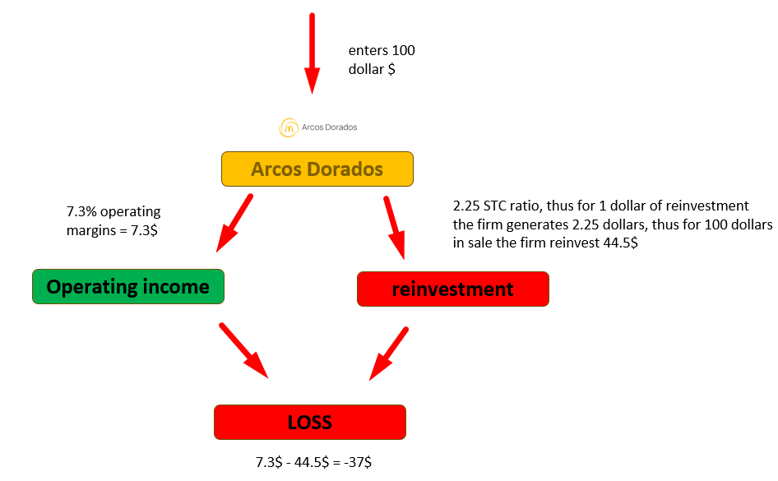

 | to tie up this valuation, I think for the long term arcos is an atractive stock, that is from the soul believe that arcos would be able to achieve close characteristics to mcdonald's, because it’s the same brand&product.
 | for the short term, arcos is not an attractive stock, it has a deep problem in efficiency, it's margins are to low, and they doesn’t seem to move anywhere.

 | more precisley, I think the right way to close this valuation up is with a question to yourself, if you believe that arcos can achieve the characteristics of mcdonald's, then the stock is massivley undervalued.
 | if you believe that arcos current margins and sales to capital are the ones she will stick with, then the stoch is overvalued.

 | arcos needs to get better at efficiency or highter margins to have higher value.

 | holding period | >1y | 3y | 5y | 10y | 20y | 20y<
 | decision | sell | neutral | buy | buy | strong buy | strong buy

made by roi dayan
15/06/24 - dd/mm/yy

problem
enters 100 dollar $

101.25

Arcos Dorados

2.25 STC ratio, thus for 1 dollar of reinvestment the firm generates 2.25 dollars, thus for 100 dollars in sale the firm reinvest 44.5$
7.3% operating margins = 7.3$

Operating income
reinvestment

LOSS

7.3$ - 44.5$ = -37$

